Hoja2
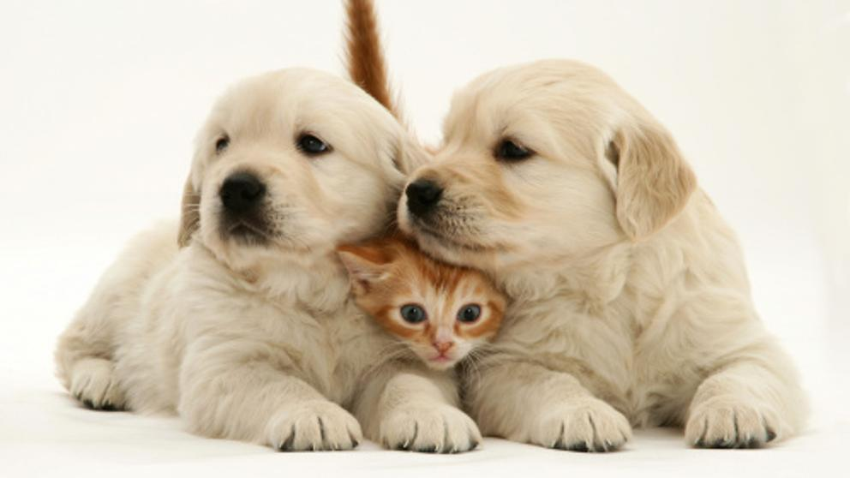
example_1
 | cat_1 | cat_2
frcnn-resnet | 0.9979 | 0.9976
frcnn-mobilenet | 0.9991 | 0.9968
retinanet | 0.9169 | 0.8983
 | frcnn-resnet | frcnn-mobilenet | retinanet
cat_1 | 99.79% | 99.91% | 91.69%
cat_2 | 99.76% | 99.68% | 89.83%
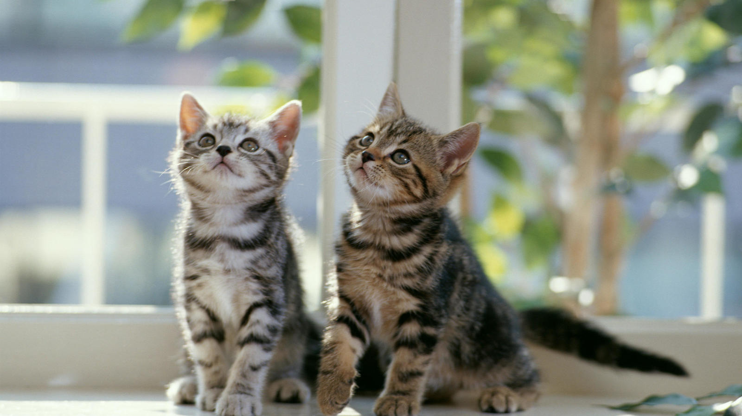

EXAMPLE_2
 | cat_1 | sheep-oveja | dog_1
frcnn-resnet | 0.9942 | 0.9815 | 0.7137
frcnn-mobilenet | 0.9994 | 0.9546 | 0.6297
retinanet | 0.9263 | 0.6392 | 0.8119
 | frcnn-resnet | frcnn-mobilenet | retinanet
cat_1 | 99.42% | 99.94% | 92.63%
sheep-oveja | 98.15% | 95.46% | 63.92%
dog_1 | 71.37% | 62.97% | 81.19%
person_1 | 52.46%
person_2 | 52.19%

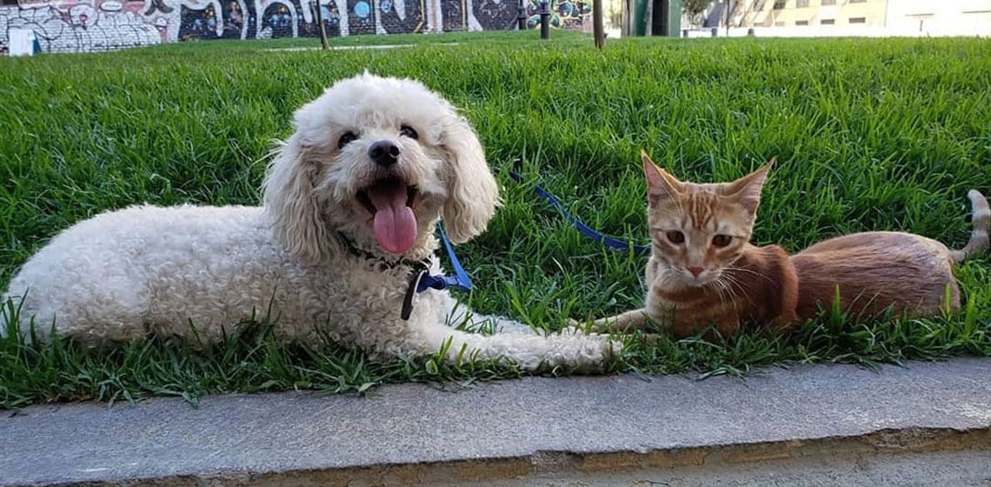

EXAMPLE_5
 | frcnn-resnet | frcnn-mobilenet | retinanet
car_1 | 0.9468 | 0.8019 | 0.9154
car_2 | 0.9033 | 0.7468 | 0.8066
car_3 | 0.8831 | 0.7056 | 0.7452
car_4 | 0.72 | 0.6324
person_1 | 0.7059
person_2 | 0.6568
truck-camion | 0.6344 |  | 0.5775
 | frcnn-resnet | frcnn-mobilenet | retinanet
car_1 | 94.68% | 80.19% | 91.54%
car_2 | 90.33% | 74.68% | 80.66%
car_3 | 88.31% | 70.56% | 74.52%
car_4 | 72.00% | 63.24%
person_1 | 70.59%
person_2 | 65.68%
truck-camion | 63.44% |  | 57.75%

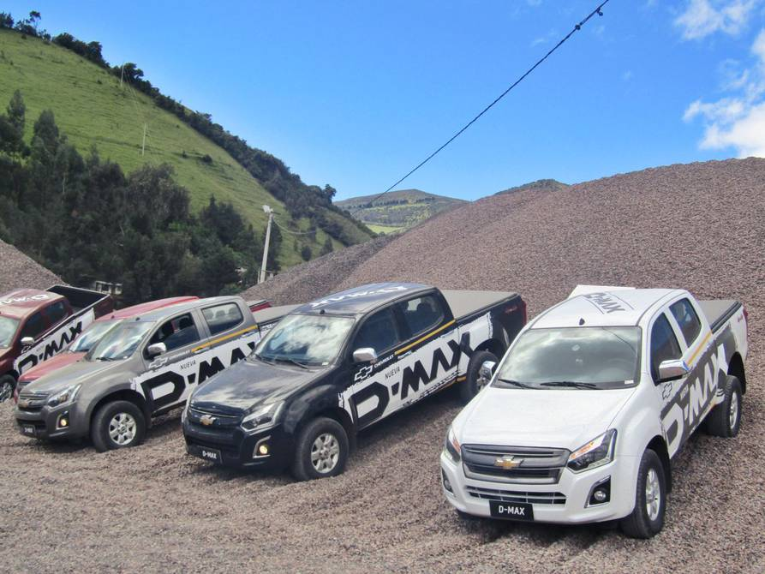

EXAMPLE_6
 | frcnn-resnet | frcnn-mobilenet | retinanet
cell_phone_1 | 0.9995 | 0.9988 | 0.9213
cell_phone_2 | 0.9925 | 0.9965 | 0.7492
person_1 | 0.9871 | 0.9962 | 0.7593
cell_phone_3 | 0.9784 | 0.9958 | 0.6122
person_2 | 0.9688 | 0.9873 | 0.6431
person_3 | 0.9369 | 0.763 | 0.5455
 | frcnn-resnet | frcnn-mobilenet | retinanet
cell_phone_1 | 99.95% | 99.88% | 92.13%
cell_phone_2 | 99.25% | 99.65% | 74.92%
person_1 | 98.71% | 99.62% | 75.93%
cell_phone_3 | 97.84% | 99.58% | 61.22%
person_2 | 96.88% | 98.73% | 64.31%
person_3 | 93.69% | 76.30% | 54.55%

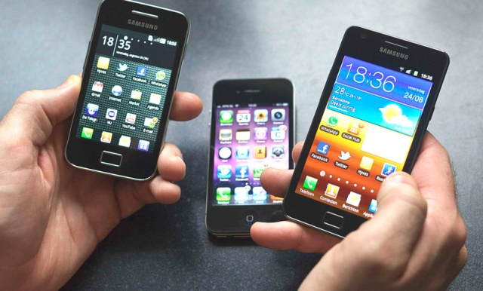

EXAMPLE_07
 | frcnn-resnet | frcnn-mobilenet | retinanet
person_1 | 0.9995 | 0.9985 | 0.9748
caballo_1 | 0.9994 | 0.9884 | 0.981
caballo_2 | 0.9978 | 0.9019 | 0.8514
dog_1 | 0.9958 | 0.955 | 0.8829
dog_2 | 0.8622 |  | 0.6402
person_2 |  | 0.61
 | frcnn-resnet | frcnn-mobilenet | retinanet
person_1 | 99.95% | 99.85% | 97.48%
caballo_1 | 99.94% | 98.84% | 98.10%
caballo_2 | 99.78% | 90.19% | 85.14%
dog_1 | 99.58% | 95.50% | 88.29%
dog_2 | 86.22% |  | 64.02%
person_2 |  | 61.00%

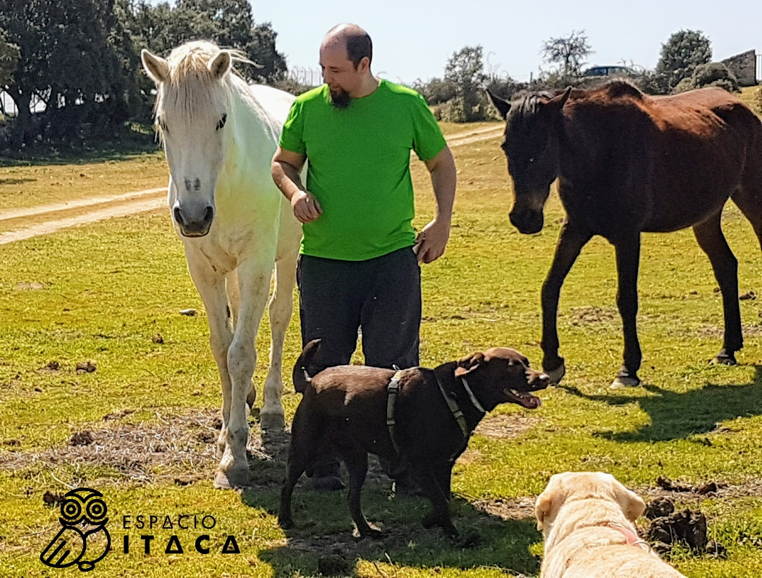

EXAMPLE_8
 | airplane_1 | airplane_2 | airplane_3
frcnn-resnet | 0.9995 | 0.9975 | 0.9906
frcnn-mobilenet | 0.9999 | 0.9995 | 0.6724
retinanet | 0.9937 | 0.9924 | 0.9885
 | frcnn-resnet | frcnn-mobilenet | retinanet
airplane_1 | 99.95% | 99.99% | 99.37%
airplane_2 | 99.75% | 99.95% | 99.24%
airplane_3 | 99.06% | 67.24% | 98.85%

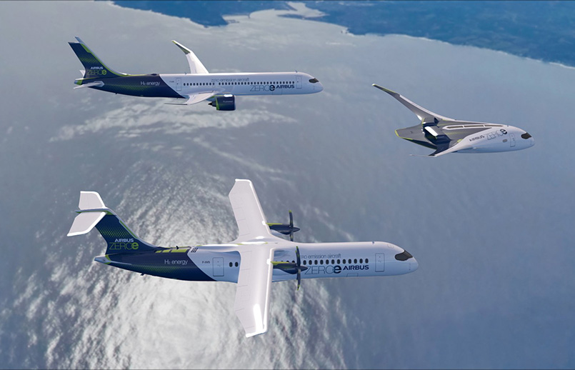

EXAMPLE_9
 | frcnn-resnet | frcnn-mobilenet | retinanet
jarron_1 | 0.9981 | 0.9829 | 0.9805
jarron_2 | 0.9979 | 0.939 | 0.962
tv | 0.9954 | 0.9876 | 0.8241
planta en maceta_1 | 0.8019
planta en maceta_2 | 0.7368
sofá | 0.7069
 | frcnn-resnet | frcnn-mobilenet | retinanet
jarron_1 | 99.81% | 98.29% | 98.05%
jarron_2 | 99.79% | 93.90% | 96.20%
tv | 99.54% | 98.76% | 82.41%
planta en maceta_1 | 80.19%
planta en maceta_2 | 73.68%
sofá | 70.69%

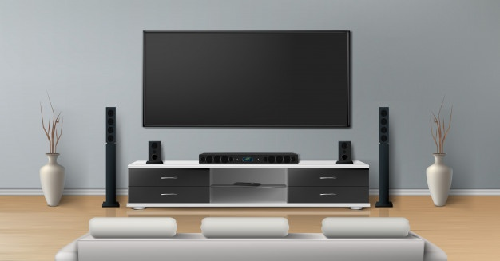

EXAMPLE_10
 | frcnn-resnet | frcnn-mobilenet | retinanet
person_1 | 0.9908 | 0.9971 | 0.902
person_2 | 0.9703 | 0.9895 | 0.8587
back_pack_1 | 0.5322
back_pack_2 | 0.5208
baseball glove_1 | 0.518 |  | 0.7148
baseball glove_2 | 0.511
 | frcnn-resnet | frcnn-mobilenet | retinanet
person_1 | 99.08% | 99.71% | 90.20%
person_2 | 97.03% | 98.95% | 85.87%
back_pack_1 | 53.22%
back_pack_2 | 52.08%
baseball glove_1 | 51.80% |  | 71.48%
baseball glove_2 | 51.10%

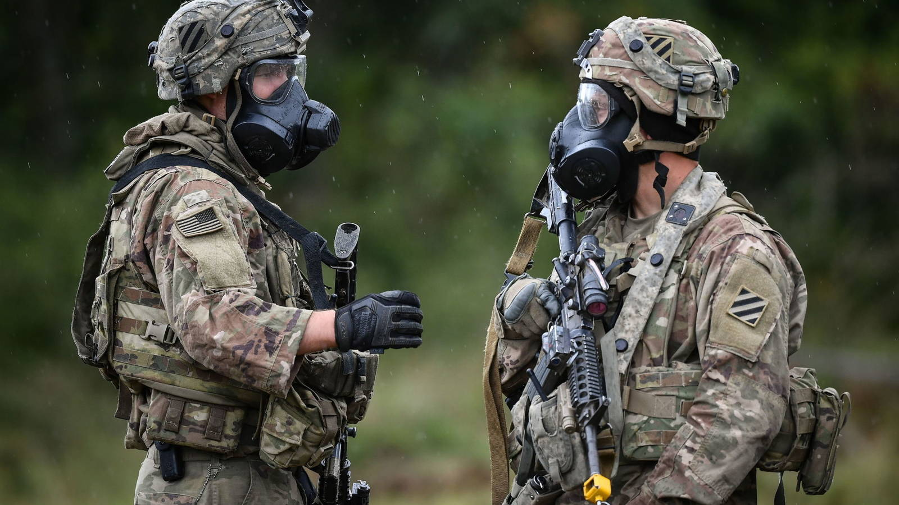

EXAMPLE_11
 | frcnn-resnet | frcnn-mobilenet | retinanet
dog_1 | 0.9747 | 0.9972 | 0.8743
dog_2 | 0.9523 | 0.9765 | 0.848
cat_1 | 0.7801
cat_2 | 0.6903
 | frcnn-resnet | frcnn-mobilenet | retinanet
dog_1 | 97.47% | 99.72% | 87.43%
dog_2 | 95.23% | 97.65% | 84.80%
cat_1 | 78.01%
cat_2 | 69.03%

